1. Title Page
[Project Name]

Project Name: Instacart Grocery Basket Analysis
Date: 03/11/25
Analyst Name: James Nanthikattu

Contents:
Population Flow
Consistency checks
Wrangling steps
Column derivations
Visualizations
Recommendations

2. Population Flow
Title page

Population flow

Exclusion flag
Condition: max_order < 5
Obervations to be removed: 1440295
Final total count of order_products_all: 30964564

1048576
49694
206210
1048576

1048576
1048576
49673
206210

Orders_products_combined
Orders_products_merged
Orders_products_all

Total:
Total:
32434459
32434459
Total:
32434459

1.) The grey boxes in the first row of the population flow represent the original data sets as they were when you downloaded them. In the Total fields you need to add the count of the rows when you imported the data set into Jupyter.
2.) The second row of boxes (coloured) represents the data sets after you manipulated them, e.g., removed missing values and duplicates. In the Total fields you need to add the count of the rows after conducting these operations. This offers a visual oveview of how the data flows throughout the data consistency checks.
3.) The third row, where also the arrows are coloured, represents the merges you performed between the datasets. In the Total fields you need to add the count of the rows in the merged datasets, so that you end up with the final dataset (in the red box). Keep in mind the final dataset should be without exclusions (based on the exclusion flag).

 | ,,,,,,…........

3. Consistency checks
 |  |  |  | Title page
Consistency checks

Dataset | Missing values | Missing values treatment | Duplicates
orders | 206,209 in days_since_prior_order Column | None since it is the first order | None
products | 16 missing product_name | Deleted | 5 Duplicates that were deleted
orders_products_prior | None | None | None
customers | None | None | None

4. Wrangling steps
 |  |  |  | Title page
Wrangling steps

Columns dropped | Columns renamed | Columns' type changed | Comment/Reason
Unamed |  |  | No Use
_merged |  |  | No Use
 | First Name to first_name |  | Naming Covention
 | Gender to gender |  | Naming Covention
 | Age to age |  | Naming Covention
 | State to state |  | Naming Covention
 |  | order_id | to string
 |  | user_id | to string
 |  | object to category | make the data set smaller

5. Column derivations
 |  |  |  | Title page

Column derivations and aggregations

In this tab you should add tables below that the frequences of flags/label variables that you produced after deriving them. NB: don't do this for continuous variables, only for flags.
Dataset | New column | Column/s it was derived from | Conditions
orders | first_order | days_since_prior_order' | N/A
ords_prods_merge | price_range | prices | If price <= 5 then 'low-range product' If price >5 & <= 15 then 'mid-range product' If price > 15 then 'high-range product' else 'not enough data'
ords_prods_merge | busiest_days | orders_day_of_week | If value == 0 or 1 then 'Busiest days' If value == 3 or 4 then 'Slowest days' else 'Regularly busy'
ords_prods_merge | busiest_period_of_day | time_of_order | If value == 10 or 11 then 'Most orders' If value == 3 or 4 then 'Fewest orders' else 'Average orders'
ords_prods_merge | loyalty_flag | max_order | If value > 40 then 'Loyal customer' If value <= 40 & > 10 then 'Regular customer' If value < 10 then 'New customer'
ords_prods_merge | spending_flag | avg_product_price | if value > 10 then 'low spender' if value >= 10 then 'high customer'
ords_prods_merge | order_frequency_flag | median_days_between_orders | If value < 20 then 'Non_frequent_customer' If value <= 20 & > 10 then 'Regular customer' If value > 10 then 'Frequent customer'
ords_prods_cust | region | state | All american states by region
ords_prods_cust | activity_flag | max_order | If value < 5 then 'low-activity customer' If value >= 5 then 'high-activity customer'
df_excluded | income_group | income | If value > 150000 then 'high income' If value >= 55000 & < 150000 then 'middle income' If value < 55000 then 'low income'
df_excluded | age_group | age | If value > 64 then 'senior' If value > 44 & <= 64 then 'middle-aged' If value > 25 & <= 44 then 'adult' If value <= 25 then 'young adult'
df_excluded | dependants_flag | n_dependants | If value == 0 then 'no dependants' IF value >= 1 then 'has dependants'

6. Visualizations
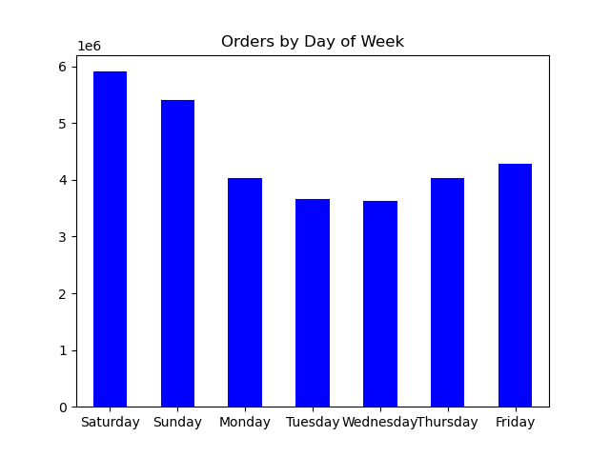


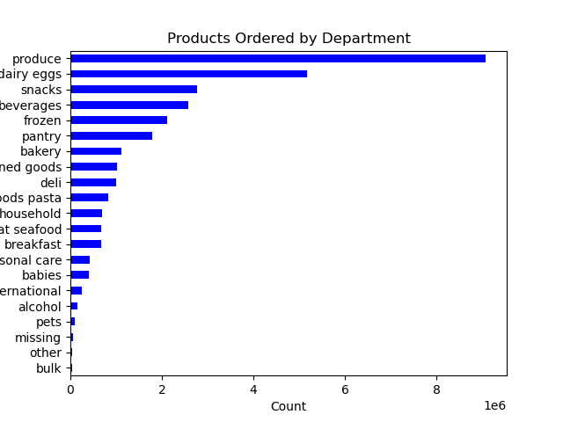
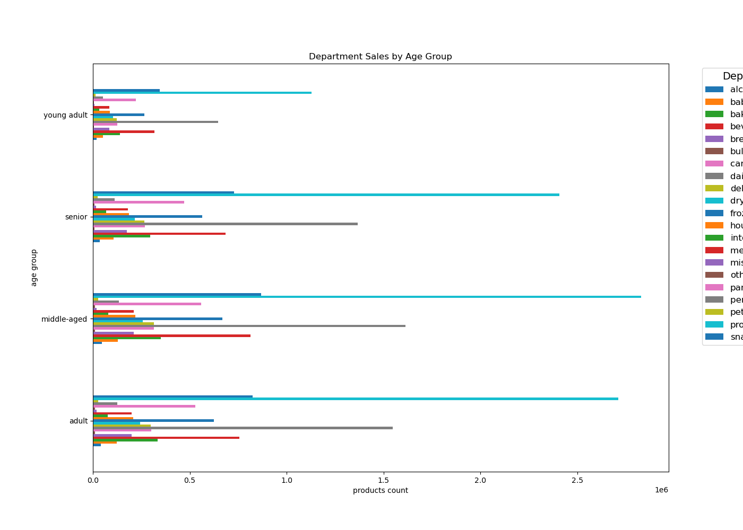
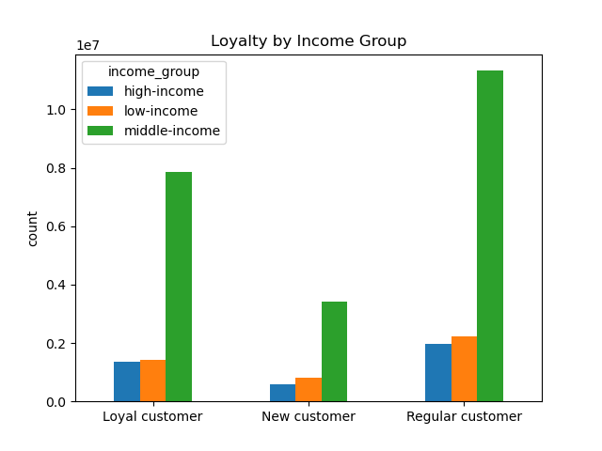
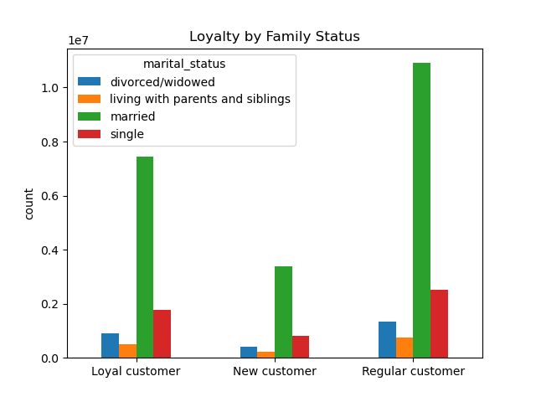
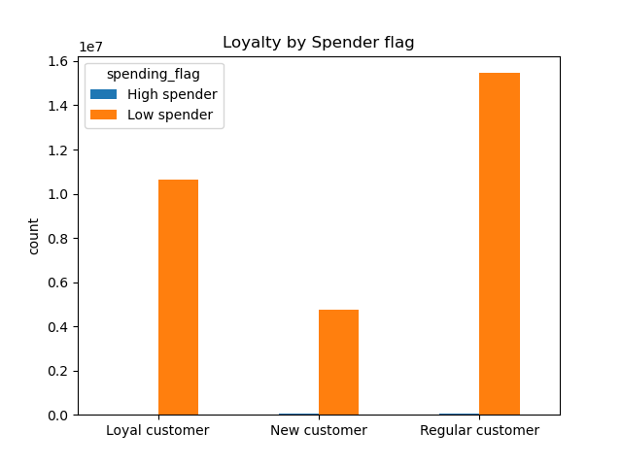
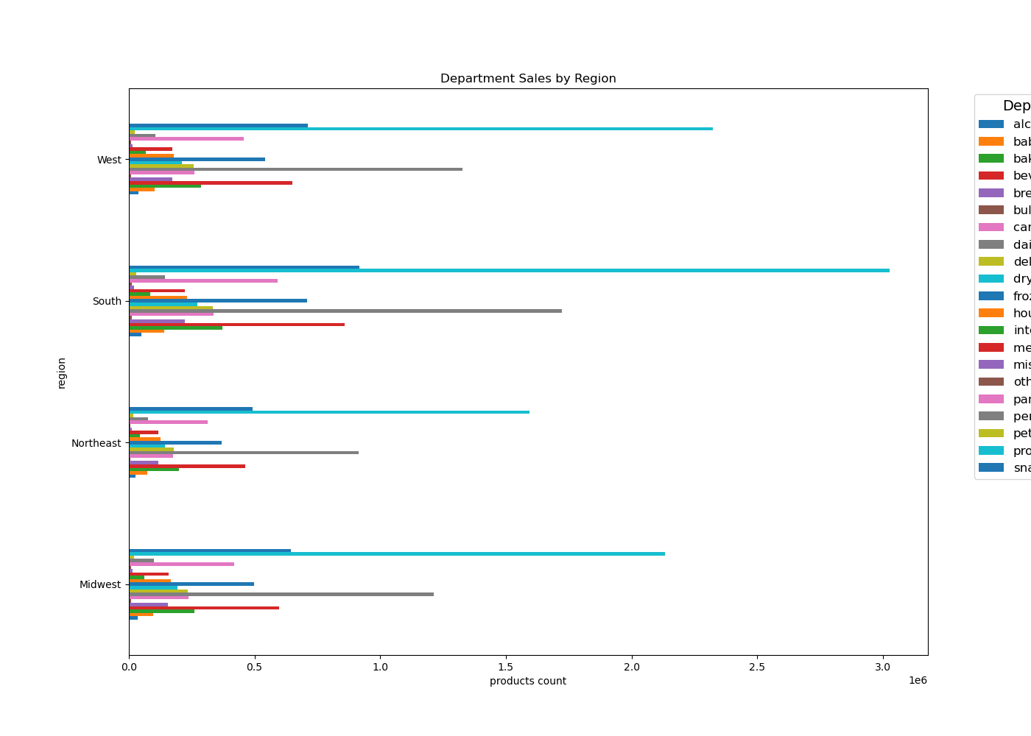
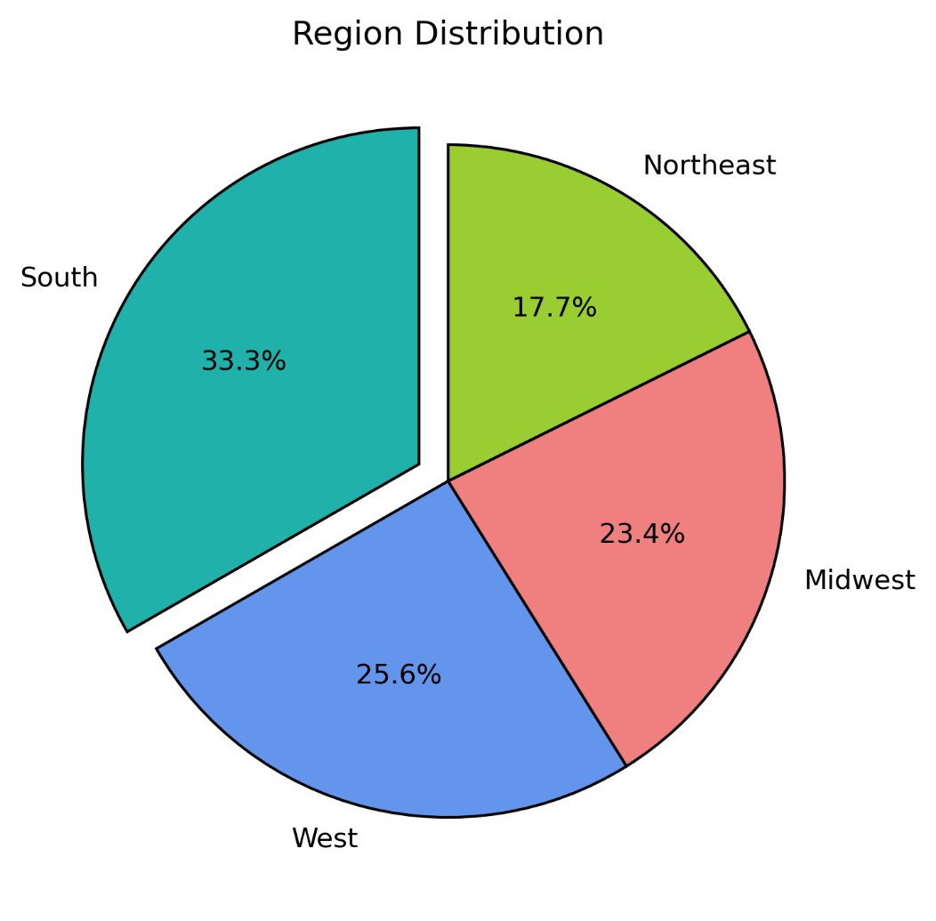
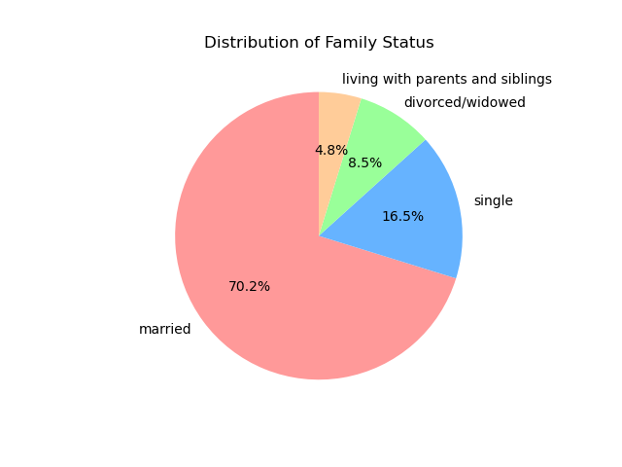
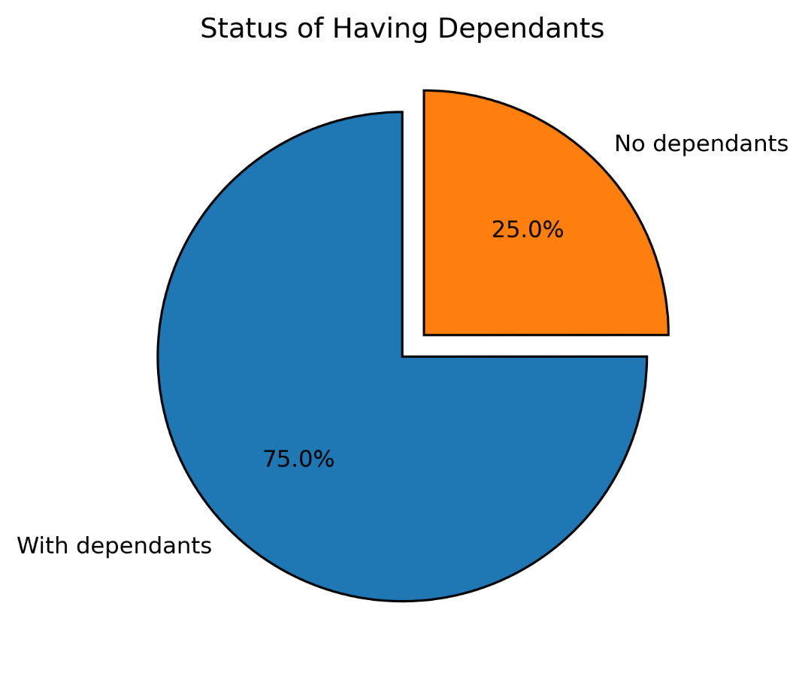

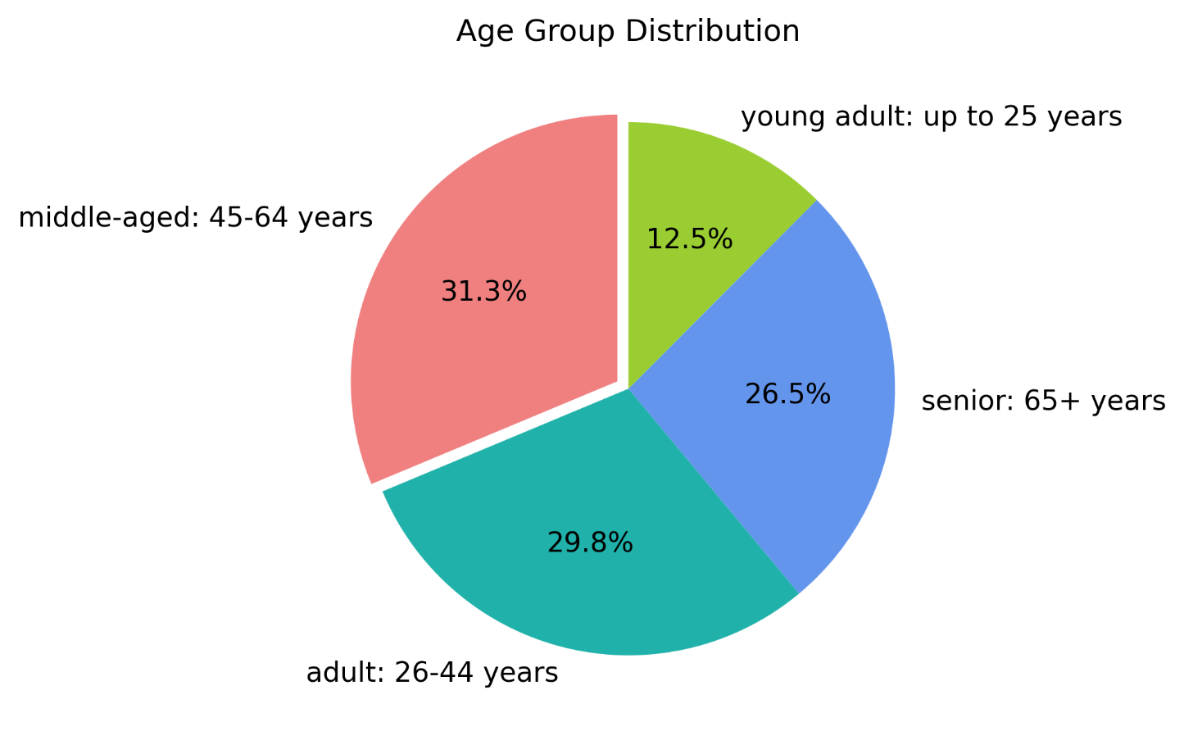
Title page

Visualisations

In this tab you should include all the visualtions from Exercises 4.9 and 4.10, alongside the questions from the project brief that they answer. Include any commentary on the relationship between different variables.

7. Recommendations
 |  |  |  | Title page

Recommendations

In this tab you should include any recommendations you would made to Instcart in terms of their marketing strategy based on the questions posed in the brief. Every key question has been covered in the Tasks of the Exercises - here you need to add an item - a visualisation or table/crosstable that is showing the answer in the data, acompanied by a comment from you. Please, list the questions below and add the answer underneath.

 | Question |  | Answer
 | Key Question 1
 | Key Question 2
 | Key Question 3
 | Key Question 4
 | Key Question 5
 | Key Question 6
 | Key Question 7

Question | Findings | Recommendations
What are the busiest days and hours? | Saturdays and Sundays experience the highest order volumes, whereas Tuesdays and Wednesdays are the least busy. Most orders are placed between 9 AM and 4 PM, peaking between 10 AM and 11 AM. | Introduce sales and promotional offers on slower days (Tuesdays and Wednesdays) to boost customer activity.
Are there specific times when customers spend the most? | Sales are slightly higher in the morning, but the variation is minimal. Additionally, weekends see increased sales. | The minor fluctuations appear to be statistical in nature, so no specific action is recommended.
Which product categories are the most popular? | The top-selling departments include Produce, Dairy/Eggs, Snacks, and Beverages. Less popular categories include International, Alcohol, and Bulk. | Encourage purchases by offering discounts and coupons on popular items like Produce and Dairy. Promotions on underperforming categories could help drive sales.
Are there differences in ordering habits based on loyalty status? | Most customers fall into the low-spending category. | Determine whether Instacart prioritizes high-spending customers or frequent shoppers. Offering total-purchase discounts may increase order value but could reduce purchase frequency.
Are there regional differences in ordering behavior? | Customers in the South and West generate the highest sales in Produce, Snacks, and Dairy/Eggs. | Strengthen advertising and promotions in regions with lower customer engagement to increase sales.
How often do users return to Instacart? | (Not provided) | Further analysis needed to determine return rates and strategies for customer retention.
Is there a connection between age, family status, and ordering habits? | Most customers are middle-aged, married, and have dependents. Higher-income individuals tend to be over 40. | Focus promotions on family-oriented products such as meal kits, breakfast cereals, and packable lunches. Luxury products should target high-income customers over 40.
How do different customer profiles vary in ordering habits? | Instacart's primary users are middle-aged, middle-income parents, who place frequent orders for household essentials. | Consider whether Instacart aims to expand to new demographics. Seniors, for instance, may face technology barriers. Promoting family-focused products could drive immediate purchases and strengthen engagement with the existing core customer base.

